Single variable distributions
3.Category | Count of 3.Category
rural | 51
urban | 51

Count of 3.Category

Number of household members

Main source of income (tabulated only single source; ie excluded those with two sources of income)

 | Casual labour | 57
 | Contract labour | 0
 | Organized sector | 3
 | Self-employed | 4
 | Farming | 8
 | Other | 5

caste_name | Count of caste_name
caste_unclear | 13
obc | 45
other | 9
sc | 28
Count of caste_name
 | Total
caste_unclear | 13
obc | 45
other | 9
sc | 28
st | 7
st | 7

4.Religion | Count of 4.Religion
christian | 15
hindu | 70
muslim | 13
religion_other | 2
Count of 4.Religion
 | Total
christian | 15
hindu | 70
muslim | 13
religion_other | 2
unclear | 2
unclear | 2

10.What language do you speak at home? | Count of 10.What language do you speak at home?
lang_hindi | 2
lang_kan | 43
lang_kan lang_tamil | 6
lang_kan lang_telugu | 2
Count of 10.What language do you speak at home?
 | Total
lang_hindi | 2
lang_kan | 43
lang_kan lang_tamil | 6
lang_kan lang_telugu | 2
lang_malayalam | 5
lang_other | 6
lang_tamil | 14
lang_tamil lang_kan | 2
lang_telugu | 11
lang_telugu lang_kan | 9
lang_urdu | 1
lang_urdu lang_other | 1
lang_malayalam | 5
lang_other | 6
lang_tamil | 14
lang_tamil lang_kan | 2
lang_telugu | 11
lang_telugu lang_kan | 9
lang_urdu | 1
lang_urdu lang_other | 1

11.What is your native state ? | Count of 11.What is your native state ?
another_state | 8
current_state | 74
dont_wish_to_say | 20

Count of 11.What is your native state ?
 | Total
another_state | 8
current_state | 74
dont_wish_to_say | 20

YOUNGEST CHILD ENROLLED

32.Does this child have textbooks for this school year ? | Count of 32.Does this child have textbooks for this school year ?
edu_young_textbook_all | 59
edu_young_textbook_none | 16
edu_young_textbook_some | 22
edu_young_textbook_unclear | 5
Count of 32.Does this child have textbooks for this school year ?
 | Total
edu_young_textbook_all | 59
edu_young_textbook_none | 16
edu_young_textbook_some | 22
edu_young_textbook_unclear | 5

33.Does this child get mid-day meals ? | Count of 33.Does this child get mid-day meals ?
edu_young_meals_cooked | 35
edu_young_meals_direct | 3
edu_young_meals_dry | 13
edu_young_meals_unclear | 51
Count of 33.Does this child get mid-day meals ?
 | Total
edu_young_meals_cooked | 35
edu_young_meals_direct | 3
edu_young_meals_dry | 13
edu_young_meals_unclear | 51

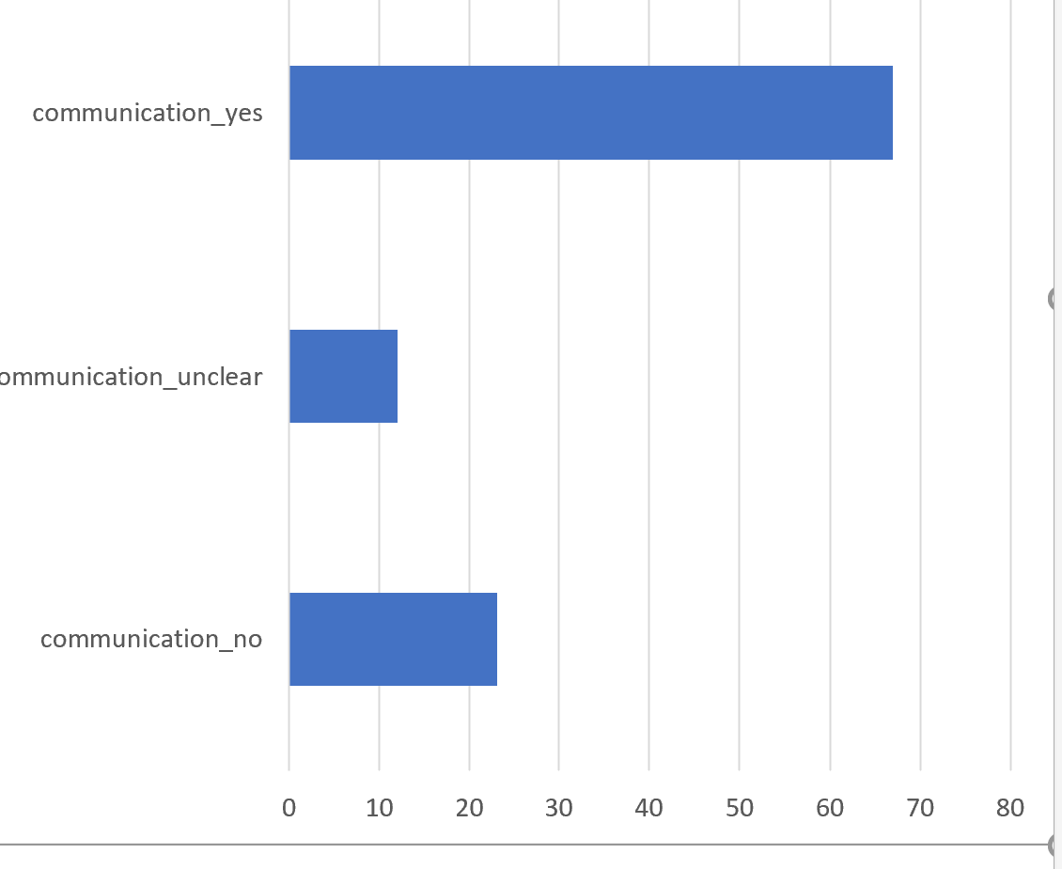
34.Have you received ANY communication from a teacher or school official about the re-opening of schools, regarding any or all of the following topics : when school will re-open/ health precautions which will be taken at school/ how classes will be organized/ other) ?
communication_no
communication_unclear
communication_yes

Count of 34.Have you received ANY communication from a teacher or school official about the re-opening of schools, regarding any or all of the following topics : when school will re-open/ health precautions which will be taken at school/ how classes will
 | Total
communication_no | 23
communication_unclear | 12
communication_yes | 67
Snipping Image

edu_young_school_status | Count of edu_young_school_status
school_status_no | 21
school_status_unclear | 4
school_status_yes | 69
status_no | 3
Count of edu_young_school_status
 | Total
school_status_no | 21
school_status_unclear | 4
school_status_yes | 69
status_no | 3
status_unclear | 1
status_yes | 4
status_unclear | 1
status_yes | 4

Is the child taking tuition?
 | Yes | 11
 | No | 28
 | Missing

Has the child's teacher contacted a family member about child's academic performance, since school opened
 | Yes | 37
 | No | 26
 | Unclear | 10
 | Missing

Parent's assessment of whether child's ability to read and write has improved/declined/ same/unable to tell

 | Improved | 27
 | Declined | 31
 | About the same | 18
 | Unable to tell | 18

SECTION B of questionnaire, Column BS for 1st child listed tabulated below)

Age distribution

Gender of child /

 | Male | 56
 | Female | 46
 | Trans

Child currently enrolled
 | Yes | 85
 | No | 17

Child currently enrolled in which type of school
 | Govt | 44
 | Private fee paying | 39

Was this child enrolled last year?
 | Yes | 78
 | No | 23

What type of school was child enrolled in last year?
 | Govt | 43
 | Private fee paying | 31
 | No responses

SECTION B of questionnaire, Column BS for 2nd child listed tabulated below)

Child currently enrolled
 | Yes | 52
 | No | 9
 | N/a | 41

Child currently enrolled in which type of school
 | Govt | 30
 | Private fee paying | 20
 | N/a | 41
 | Missing

Was this child enrolled last year?
 | Yes | 46
 | No | 15
 | N/a | 41

What type of school was child enrolled in last year?
 | Govt | 28
 | Private fee paying | 17
 | N/a | 41

